Instructions
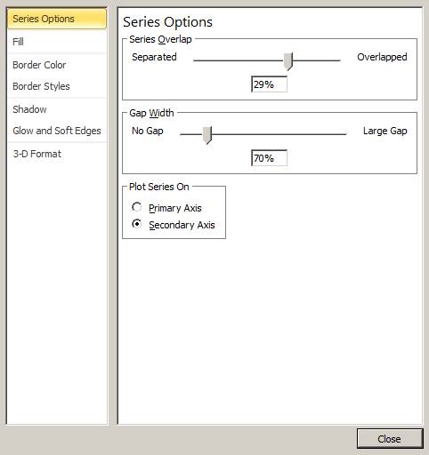
Plots with mixed Columns and Stacked Columns
Example 1: column, then stacked column
 | axis |  | w20 | w21 | w22 | How To
 | 2 | Target | 500 | 1000 | 1500 | The data table was created (here revenue target plan, and upside)
separation
blanks in dataset
 | 2 | b1 |  |  |  | 2 blank lines were added for use as separators in the second axis
 | 2 | b2 |  |  |  | Here is an example of a mixed cluster and stacked column plot
 | 1 | Plan | 300 | 600 | 1200 | Chart was created selecting all the data as a stacked column chart
 | 1 | Upside | 10 | 50 | 200 | Data series are assigned to two separate series since the cluster & stacked plots are incompatible
 |  |  |  |  |  |  | the Target, and the blank rows (b1,b2, series) were assigned to the secondary axis
 | Plan | Upside | Target | b1 | b2
w20 | 300 | 10 | 500
w21 | 600 | 50 | 1000
w22 | 1200 | 200 | 1500
 |  |  |  |  |  | Selecting one of the series in the secondary axis (e.g. Target) change the chart type to cluster
 |  |  |  |  |  |  | this effects everything associated with the secondary axis, not the primary axis)
 |  |  |  |  |  | Then using the sliders in the format series command the column widths and overlap are adjusted
 |  |  |  |  |  |  | go back and forth between first and secondary axis making these adjustments until you get
 |  |  |  |  |  |  | the desired effect (see below)
 |  |  |  |  |  | To clean up the legend click the legend, then a series within the legend and hit the delete key
 |  |  |  |  |  |  | repeat until all the blanks are eliminated from the legend

2nd example
Plots with mixed Columns and Stacked Columns
Here we have column, stacked column, then another column
 | axis |  | w20 | w21 | w22 | How To
 | 2 | Target | 500 | 1000 | 1500 | The data table was created (here revenue target plan, and upside)
separation
blanks in dataset
 | 2 | b1 |  |  |  | 2 blank lines were added for use as separators in the second axis
 | 2 | b2 |  |  |  | Here is an example of a mixed cluster and stacked column plot
 | 1 | Plan | 300 | 600 | 1200 | Chart was created selecting all the data as a stacked column chart
 | 1 | Upside | 10 | 50 | 200 | Data series are assigned to two separate series since the cluster & stacked plots are incompatible
 | 2 | Actual | 280 | 500 | 800 |  | the Target, and the blank rows (b1,b2, series) were assigned to the secondary axis
 |  |  |  |  |  | Selecting one of the series in the secondary axis (e.g. Target) change the chart type to cluster
 | Plan | Upside | Target | b1 | b2 | Actual
 | 300 | 10 | 500 |  |  | 280
 | 600 | 50 | 1000 |  |  | 500
 | 1200 | 200 | 1500 |  |  | 800
 |  |  |  |  |  |  | this effects everything associated with the secondary axis, not the primary axis)
 |  |  |  |  |  | Then using the sliders in the format series command the column widths and overlap are adjusted
 |  |  |  |  |  |  | go back and forth between first and secondary axis making these adjustments until you get
 |  |  |  |  |  |  | the desired effect (see below)
 |  |  |  |  |  | To clean up the legend click the legend, then a series within the legend and hit the delete key
 |  |  |  |  |  |  | repeat until all the blanks are eliminated from the legend

Sheet1
axis |  | w20 | w21 | w22
2 | Target | 500 | 1000 | 1500 | Here is an example of a mixed cluster and stacked column plot
2 | b1 |  |  |  | Blank lines were added to separate the data
1 | Plan | 300 | 600 | 1200
2 | b2
1 | Upside | 10 | 50 | 200

 | Plan | Upside | Target | b1 | b2
w20 | 300 | 10 | 500
w21 | 600 | 50 | 1000
w22 | 1200 | 200 | 1500

